kinyuurei
※番号 |  |  |  |  |  |  |  | JUNIOUR CHAMBER OF COMMERCE AND INDUSTRY OF JAPAN

 | SELECTION IN 2023
 | JCI JAPAN TOYP ENTRY SHEET

 |  |  |  |  |  |  | Letter of Agreement
 |  | ■Agreement of using right of portrait
 |  |  | I had consent to use of my portrait as follows.
 |  |  |  | ☑ | Post on the our website
 |  |  |  | ☑ | Use on social networking sites
 |  |  |  | ☑ | Use on printed papers

 |  | ■Agreement of using my copyrighted materials
 |  |  | I accepted to the using this entry form as follows exept my personal information.

 |  |  |  | ☑ | Post on the our website
 |  |  |  | ☑ | Use on social networking sites
 |  |  |  | ☑ | Use on printed papers
 |  |  |  | ☑ | About an attachment your photo, I accepted to using portrait as above

 |  | ■Agreement of not being an anti-social force as below.
 |  |  | I AM NOT UNDER ANY ANTI-SOCIAL-FORCES
 |  |  |  | ☑ | Boryokudan, Boryokudan members, Boryokudan quasi-structure members |  |  |  |  |  |  |  |  |  |  |  |  | SPACE FOR PHOTO
 |  |  |  | ☑ | Companies affiliated with organized crime syndicates
 |  |  |  | ☑ | General meeting house, etc., social movements, etc.
 |  |  |  | ☑ | A person who has not ceased to be a gang member for a period of five years
 |  |  |  | ☑ | Other persons equivalent to the preceding items |  |  |  |  |  |  |  |  |  |  |  |  | PHOTOS SHOULD BE IN JEPG

 | SEX （MALE・FEMALE・OTHERS） |  |  |  |  | MALE |  | DATE | JANUARY |  | MM | 1 | DD | 2023 | YYYY

 | HURIGANA |  |  |  |  |  |  |  |  |  |  |  | BIRTH |  |  | DECEMBER, 01,2000
 | NAME |  |  |  |  | TARO NIPPON

 | PHONE NUMBER |  |  |  |  | 090-1234-5678 |  |  |  | E-MAIL |  |  |  | jci.japan.toyp@gmail.com
 | THE COMPANY NAME |  |  |  |  | TOYP CO,LTD |  |  |  |  |  | POSITION |  |  |  | CEO
 | ADDRESS OF THE COMPANY |  |  |  |  | 〒102-0093 |  |  |  |  |  |  | ORGANAIZATION NUMEBER |  |  |  | 03-3234-5601
 |  |  |  |  |  | JUNIOUR CHAMBER OF COMMERCE OF JAPAN HALL, HIRAKWA-CHO, CHIYODA-KU, TOKYO
 | RECOMMENDATION FROM NAME OF RECOMMEND GROUP /SEINEN KAIGISHO |  |  |  |  | TOYOTA JUNIOUR CHAMBER OF COMMERCE AND INDUSTRY |  |  |  |  |  | NAME OF RECOMMEND PERSON |  |  | TARO TOYOTA

 | CONTACT INFORMATION |  |  |  |  | 090-1234-5678 |  |  |  | E-MAIL |  |  |  | jci.japan.toyp@gmail.com
 | THE RESONS FOR RECOMMENDATION （LESS THAN ２００WORDS) |  |  |  |  | We nominated Mr. Nintaro because we believe that he is an outstanding young human resource who has the ability to change society by creating a virtuous cycle in communities across Japan, and that he is capable of building the future of our society.

 | ACTIVITY CATEGORY （Replace the relevant item with ■.） |  |  |  |  | ☑BUSINESS、ECONOMICS、STARTING A BUSINESS □SCIENCE □CULTURE □ETHICS, ENVIROMENT □YOUTH DEVELOPMENT, WORLD PESCE, HUMAN RIGHTS □VOLUNTEER □SCIENCE AND TECHNOLOGY □SELF-HELP □POLITICS, LAW □MEDICAL INNOVATION OTHERS（ ）

 | ACTIVITY AREAS AND ACTIVITIES （２００CHARACTORA AND LESS） |  |  |  |  | TOYP discovers young human resources who are sleeping in various places throughout Japan, and through the TOYP business, we further brush up their businesses and send them out into the world.

 |  |  |  |  |  |  |  |  |  |  |  |  |  |  |  |  |  |  | 191
 | QUESTION① （Within 200 charactors） |  |  |  |  | Q1．WHAT KIND OF FEATURE DO YOU WANT TO ACHIEVE THROUGH THIS ACTIVITY(VISION)?
 |  |  |  |  |  | We hope that the rate of entrepreneurship among young people, which is the lowest among developed countries, will increase through the dissemination of the young people featured in this project.

 |  |  |  |  |  |  |  |  |  |  |  |  |  |  |  |  |  |  | 194
 | QUESTION② （Within 200 charactors） |  |  |  |  | Q2．PLEASE ANSWER THE SPECIIFIC ACTIVITIES YOU ARE UNDERTAKING NOW TO REALIZE THE FUTURE.
 |  |  |  |  |  | We not only search for human resources from all over Japan, but also promote cooperation with other JCI chambers around the country in order to find out how we can help these people to become more active in their local communities.

 |  |  |  |  |  |  |  |  |  |  |  |  |  |  |  |  |  |  | 231
 | QUESTION③ （Within 200 charactors） |  |  |  |  | Q3．WHAT INPACT DASE YOUR ACTIVITIES HAVE ON SOCIETY(INPACT)
 |  |  |  |  |  | The young people who have been disseminated through the TOYP project will play an even more active role in nurturing the entrepreneurial spirit of the next generation and creating more human resources to support Japan.

 |  |  |  |  |  |  |  |  |  |  |  |  |  |  |  |  |  |  | 218
 | QUESTION④ |  |  |  |  | Q4．DO YOU HAVE A SOCIAL NETWORKING SITE OR WEBSITE WHERE YOUR ACTIVITIES ARE PUBLICLY AVAILABLE?
 |  |  |  |  |  | Facebook Instagram

 | PERSONAL HISTORY AND SELF-PUBLICITY （Within 200 charactors） |  |  |  |  | 1) I won the Grand Prix in the Kanto Inovation Competition. 2) I have been a company once when I was a student. 3) My hobby is baseball.

 |  |  |  |  |  |  |  |  |  |  |  |  |  |  |  |  |  |  | 136
 | ACTIVITY PHOTOS UP TO 4SHEETS CAN BE ATTACHED |  |  |  |  | 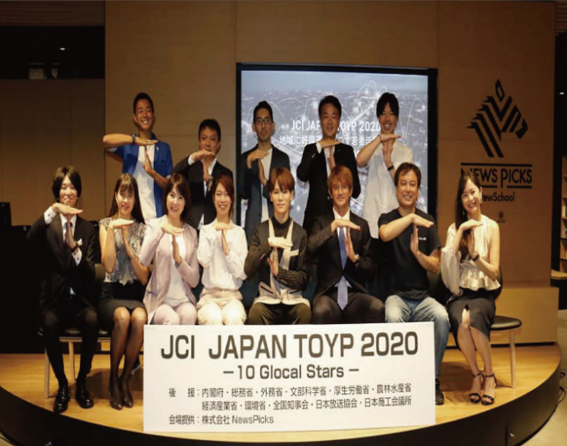 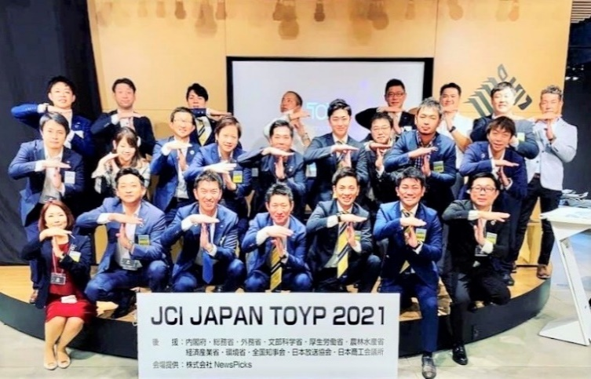

 | WHERE DID YOU HEAR ABOUT TOYP? （REPLACE THE RELEVANT ITEM WITH ■） |  |  |  |  |  | □NOMINATED FROM JNIOR CHANBUE （ JC） □HP ☑Facebook □Instagram □Twitter □LINE □VARIOUS MEDIA（ ）□ I HAVE ENTRED IN THE PAST □WATCH THE NEWS PICKS PROGRAM □OTHERS（ ）

 | PLEASE SEND THE ENTRY SHEET TO MR. YUSUKE FUKAMI, VICE CHAIRMANOF THE TOYP COMIMTEE FOR 2023
 | PHONE 090-5855-4138 |  |  |  |  |  | E - mail |  | jci.japan.toyp@gmail.com

